Guidance Notes
- | You are using the Excel version of the complete Treasurers account book, this is the recommended version.
Financial Returns | St Vincent de Paul Society (svp.org.uk)
- | The Treasurers Returns, Account Book & Gift Aid Claim Form & 'How to Guide' is also available to download from the SVP Website.

- | Click the below links to take you to the required guidance notes or scroll to the end of the workbook.

- | Being A Treasurer

- | SVP Guidelines

- | How to use this Treasurers book

- | FAQs

- | Gift Aid Instructions

- | Gift Aid Claim Form Instructions

- | Gift Aid Declaration Form

- | Gift Aid Declaration for Sponsored Events

- | Correct Use of Funds Guidance

- | Restricted Income Guidance

- | Finance Policy - Gift Aid

- | Finance Policy - Banking Procedure

- | Finance Policy - Use Of Funds

Members Guidance Manual
 | Click here to access the from the SVP website.

Jun 26 GA Claim Form
GET IT RIGHT THE FIRST TIME - HOW TO COMPLETE THIS SCHEDULE
* Don't change the layout of the schedule or change the name of the worksheet. |  |  |  |  |  |  |  |  |  |  | Click here to see Gift Aid Instructions
* If any section isn't applicable leave it blank. Don't enter N/A or Nil. |  |  |  |  |  |  |  |  |  |  | Click here to see GA claim form Instructions
* Don't include blank spaces or other characters at the start or end of boxes.
* Don't leave a blank row between donations.
* Enter the house name or number and the postcode of all donors that live in the UK. For donors living abroad, enter their address and put X in the 'Postcode' column.
* Stay within the maximum of 1,000 rows of donations.
* Aggregated donations are donations under £20 from different people totalling less than £1000 per line. When you add together donations from the same donor, you must leave the aggregated donations column blank.
* For sponsored events enter the participant's name and address, the date collected, and the total amount raised. Don't include any donations over £500 – these must be shown separately as normal Gift Aid donations.

Fig.1 shows an example of how to complete the schedule.
 | Fig.1 Examples | Title up to 4 characters | First name or initial up to 35 characters with no spaces, or just enter an initial | Last name up to 35 characters | House name or number up to 40 characters | Postcode UPPER CASE and include a space | Aggregated donations a simple description up to 35 characters - DON'T enter Yes or Not Applicable. | Sponsored event enter Yes or leave blank | Donation date (DD/MM/YY) DON'T use hyphens or full stops | Amount DON'T use a £ sign
 |  | Prof | Henry | House Martin | 152A | M99 2QD |  |  | 2015-03-24 | 240.00 | Council Number:
 |  | Mr | John | Smith | 100 Champs Elysees, Paris | X |  |  | 2015-06-24 | 250.00 | 0
 |  |  |  |  |  |  | One off Gift Aid donations |  | 2015-03-31 | 880.00 | Council Name:
 |  | Miss | B | Chaudry | 21 | L43 4FB |  | Yes | 2015-04-26 | 80.00 | 0
 |  |  |  |  |  |  |  |  |  |  | 2026-06-30 |  | Select
Please complete and email the Gift Aid claim form, scanned declarations and envelopes along with your financial quarterly return to quarterlyreturn@svp.org.uk copying in giftaid@svp.org.uk, alternatively post your claim and backing documents to the Bradford Finance Office. |  |  |  |  |  |  |  |  |  |  |  | Select | Y | N
 |  |  |  |  |  |  |  |  |  |  |  |  | N/A
 |  | Earliest donation date in the period of claim: |  |  |  |  |  | Total to Claim: |  | - | GA SUBMISSION CHECKLIST
 |  | Title | First name/initial | Last name | House name or number | Postcode | Aggregated donations | Sponsored event (Yes/Blank) | Donation date (DD/MM/YY) | Amount | Information / Documents Required | Enclosed with Claim (select from dropdown) | CHECKS

Click here for the Declaration Form
 | 1 |  |  |  |  |  |  |  |  |  | Completed Gift Aid Claim Form – Please ensure that all relevant information is completed | Select | R | CANNOT SUBMIT MUST COMPLETE
 | 2 |  |  |  |  |  |  |  |  |  | Fully completed Gift Aid Declaration form(s) for all new donors during the quarter. | Select | Y | IF CHECKED & CORRECT OK TO SUBMIT
 | 3 |  |  |  |  |  |  |  |  |  | Gift Aid envelopes relating to a fund-raising event (The total on the claim must agree to the balances on the envelopes) | Select | Y | IF CHECKED & CORRECT OK TO SUBMIT
 | 4 |  |  |  |  |  |  |  |  |  | Copies of bank statements for any claims outside this quarter, clearly showing the gift aid receipts paid into the account separately. | Select | Y | IF CHECKED & CORRECT OK TO SUBMIT
Click here for GAD Sponsorship Event Form
 | 5 |  |  |  |  |  |  |  |  |  | SPONSORED EVENT - Completed sponsorship form | Select | Y | IF CHECKED & CORRECT OK TO SUBMIT
 | 6
 | 7
 | 8
 | 9
 | 10
 | 11
 | 12
 | 13
 | 14
 | 15
 | 16
 | 17
 | 18
 | 19
 | 20

Sep 26 GA Claim Form
GET IT RIGHT THE FIRST TIME - HOW TO COMPLETE THIS SCHEDULE
* Don't change the layout of the schedule or change the name of the worksheet. |  |  |  |  |  |  |  |  |  |  | Click here to see Gift Aid Instructions
* If any section isn't applicable leave it blank. Don't enter N/A or Nil. |  |  |  |  |  |  |  |  |  |  | Click here to see GA claim form Instructions
* Don't include blank spaces or other characters at the start or end of boxes.
* Don't leave a blank row between donations.
* Enter the house name or number and the postcode of all donors that live in the UK. For donors living abroad, enter their address and put X in the 'Postcode' column.
* Stay within the maximum of 1,000 rows of donations.
* Aggregated donations are donations under £20 from different people totalling less than £1000 per line. When you add together donations from the same donor, you must leave the aggregated donations column blank.
* For sponsored events enter the participant's name and address, the date collected, and the total amount raised. Don't include any donations over £500 – these must be shown separately as normal Gift Aid donations.

Fig.1 shows an example of how to complete the schedule.
 | Fig.1 Examples | Title up to 4 characters | First name or initial up to 35 characters with no spaces, or just enter an initial | Last name up to 35 characters | House name or number up to 40 characters | Postcode UPPER CASE and include a space | Aggregated donations a simple description up to 35 characters - DON'T enter Yes or Not Applicable. | Sponsored event enter Yes or leave blank | Donation date (DD/MM/YY) DON'T use hyphens or full stops | Amount DON'T use a £ sign
 |  | Prof | Henry | House Martin | 152A | M99 2QD |  |  | 2015-03-24 | 240.00 | Council Number:
 |  | Mr | John | Smith | 100 Champs Elysees, Paris | X |  |  | 2015-06-24 | 250.00 | 0
 |  |  |  |  |  |  | One off Gift Aid donations |  | 2015-03-31 | 880.00 | Council Name:
 |  | Miss | B | Chaudry | 21 | L43 4FB |  | Yes | 2015-04-26 | 80.00 | 0
 |  |  |  |  |  |  |  |  |  |  | 2026-09-30 |  | Select
Please complete and email the Gift Aid claim form, scanned declarations and envelopes along with your financial quarterly return to quarterlyreturn@svp.org.uk copying in giftaid@svp.org.uk, alternatively post your claim and backing documents to the Bradford Finance Office. |  |  |  |  |  |  |  |  |  |  |  | Select | Y | N
 |  |  |  |  |  |  |  |  |  |  |  |  | N/A
 |  | Earliest donation date in the period of claim: |  |  |  |  |  | Total to Claim: |  | - | GA SUBMISSION CHECKLIST
 |  | Title | First name/initial | Last name | House name or number | Postcode | Aggregated donations | Sponsored event (Yes/Blank) | Donation date (DD/MM/YY) | Amount | Information / Documents Required | Enclosed with Claim (select from dropdown) | CHECKS

Click here for the Declaration Form
 | 1 |  |  |  |  |  |  |  |  |  | Completed Gift Aid Claim Form – Please ensure that all relevant information is completed | Select | R | CANNOT SUBMIT MUST COMPLETE
 | 2 |  |  |  |  |  |  |  |  |  | Fully completed Gift Aid Declaration form(s) for all new donors during the quarter. | Select | Y | IF CHECKED & CORRECT OK TO SUBMIT
 | 3 |  |  |  |  |  |  |  |  |  | Gift Aid envelopes relating to a fund-raising event (The total on the claim must agree to the balances on the envelopes) | Select | Y | IF CHECKED & CORRECT OK TO SUBMIT
 | 4 |  |  |  |  |  |  |  |  |  | Copies of bank statements for any claims outside this quarter, clearly showing the gift aid receipts paid into the account separately. | Select | Y | IF CHECKED & CORRECT OK TO SUBMIT
Click here for GAD Sponsorship Event Form
 | 5 |  |  |  |  |  |  |  |  |  | SPONSORED EVENT - Completed sponsorship form | Select | Y | IF CHECKED & CORRECT OK TO SUBMIT
 | 6
 | 7
 | 8
 | 9
 | 10
 | 11
 | 12
 | 13
 | 14
 | 15
 | 16
 | 17
 | 18
 | 19
 | 20

Dec 26 GA Claim Form
GET IT RIGHT THE FIRST TIME - HOW TO COMPLETE THIS SCHEDULE
* Don't change the layout of the schedule or change the name of the worksheet. |  |  |  |  |  |  |  |  |  |  | Click here to see Gift Aid Instructions
* If any section isn't applicable leave it blank. Don't enter N/A or Nil. |  |  |  |  |  |  |  |  |  |  | Click here to see GA claim form Instructions
* Don't include blank spaces or other characters at the start or end of boxes.
* Don't leave a blank row between donations.
* Enter the house name or number and the postcode of all donors that live in the UK. For donors living abroad, enter their address and put X in the 'Postcode' column.
* Stay within the maximum of 1,000 rows of donations.
* Aggregated donations are donations under £20 from different people totalling less than £1000 per line. When you add together donations from the same donor, you must leave the aggregated donations column blank.
* For sponsored events enter the participant's name and address, the date collected, and the total amount raised. Don't include any donations over £500 – these must be shown separately as normal Gift Aid donations.

Fig.1 shows an example of how to complete the schedule.
 | Fig.1 Examples | Title up to 4 characters | First name or initial up to 35 characters with no spaces, or just enter an initial | Last name up to 35 characters | House name or number up to 40 characters | Postcode UPPER CASE and include a space | Aggregated donations a simple description up to 35 characters - DON'T enter Yes or Not Applicable. | Sponsored event enter Yes or leave blank | Donation date (DD/MM/YY) DON'T use hyphens or full stops | Amount DON'T use a £ sign
 |  | Prof | Henry | House Martin | 152A | M99 2QD |  |  | 2015-03-24 | 240.00 | Council Number:
 |  | Mr | John | Smith | 100 Champs Elysees, Paris | X |  |  | 2015-06-24 | 250.00 | 0
 |  |  |  |  |  |  | One off Gift Aid donations |  | 2015-03-31 | 880.00 | Council Name:
 |  | Miss | B | Chaudry | 21 | L43 4FB |  | Yes | 2015-04-26 | 80.00 | 0
 |  |  |  |  |  |  |  |  |  |  | 2026-12-31 |  | Select
Please complete and email the Gift Aid claim form, scanned declarations and envelopes along with your financial quarterly return to quarterlyreturn@svp.org.uk copying in giftaid@svp.org.uk, alternatively post your claim and backing documents to the Bradford Finance Office. |  |  |  |  |  |  |  |  |  |  |  | Select | Y | N
 |  |  |  |  |  |  |  |  |  |  |  |  | N/A
 |  | Earliest donation date in the period of claim: |  |  |  |  |  | Total to Claim: |  | - | GA SUBMISSION CHECKLIST
 |  | Title | First name/initial | Last name | House name or number | Postcode | Aggregated donations | Sponsored event (Yes/Blank) | Donation date (DD/MM/YY) | Amount | Information / Documents Required | Enclosed with Claim (select from dropdown) | CHECKS

Click here for the Declaration Form
 | 1 |  |  |  |  |  |  |  |  |  | Completed Gift Aid Claim Form – Please ensure that all relevant information is completed | Select | R | CANNOT SUBMIT MUST COMPLETE
 | 2 |  |  |  |  |  |  |  |  |  | Fully completed Gift Aid Declaration form(s) for all new donors during the quarter. | Select | Y | IF CHECKED & CORRECT OK TO SUBMIT
 | 3 |  |  |  |  |  |  |  |  |  | Gift Aid envelopes relating to a fund-raising event (The total on the claim must agree to the balances on the envelopes) | Select | Y | IF CHECKED & CORRECT OK TO SUBMIT
 | 4 |  |  |  |  |  |  |  |  |  | Copies of bank statements for any claims outside this quarter, clearly showing the gift aid receipts paid into the account separately. | Select | Y | IF CHECKED & CORRECT OK TO SUBMIT
Click here for GAD Sponsorship Event Form
 | 5 |  |  |  |  |  |  |  |  |  | SPONSORED EVENT - Completed sponsorship form | Select | Y | IF CHECKED & CORRECT OK TO SUBMIT
 | 6
 | 7
 | 8
 | 9
 | 10
 | 11
 | 12
 | 13
 | 14
 | 15
 | 16
 | 17
 | 18
 | 19
 | 20

Mar 27 GA Claim Form
GET IT RIGHT THE FIRST TIME - HOW TO COMPLETE THIS SCHEDULE
* Don't change the layout of the schedule or change the name of the worksheet. |  |  |  |  |  |  | Click here to see Gift Aid Instructions
* If any section isn't applicable leave it blank. Don't enter N/A or Nil. |  |  |  |  |  |  | Click here to see GA claim form Instructions
* Don't include blank spaces or other characters at the start or end of boxes.
* Don't leave a blank row between donations.
* Enter the house name or number and the postcode of all donors that live in the UK. For donors living abroad, enter their address and put X in the 'Postcode' column.
...
 | 100 Champs Elysees, Paris | X |  |  | 2015-06-24 | 250.00 | 0
 |  |  | One off Gift Aid donations |  | 2015-03-31 | 880.00 | Council Name:
 | 21 | L43 4FB |  | Yes | 2015-04-26 | 80.00 | 0
 |  |  |  |  |  |  | 2027-03-31 |  | Select
 |  |  |  |  |  |  |  | Select | Y | N
 |  |  |  |  |  |  |  |  | N/A
 |  |  |  | Total to Claim: |  | - | GA SUBMISSION CHECKLIST
 | House name or number | Postcode | Aggregated donations | Sponsored event (Yes/Blank) | Donation date (DD/MM/YY) | Amount | Information / Documents Required | Enclosed with Claim (select from dropdown) | CHECKS

Click here for the Declaration Form
 |  |  |  |  |  |  | Completed Gift Aid Claim Form – Please ensure that all relevant information is completed | Select | R | CANNOT SUBMIT MUST COMPLETE
 |  |  |  |  |  |  | Fully completed Gift Aid Declaration form(s) for all new donors during the quarter. | Select | Y | IF CHECKED & CORRECT OK TO SUBMIT
 |  |  |  |  |  |  | Gift Aid envelopes relating to a fund-raising event (The total on the claim must agree to the balances on the envelopes) | Select | Y | IF CHECKED & CORRECT OK TO SUBMIT
 |  |  |  |  |  |  | Copies of bank statements for any claims outside this quarter, clearly showing the gift aid receipts paid into the account separately. | Select | Y | IF CHECKED & CORRECT OK TO SUBMIT
Click here for GAD Sponsorship Event Form
 |  |  |  |  |  |  | SPONSORED EVENT - Completed sponsorship form | Select | Y | IF CHECKED & CORRECT OK TO SUBMIT
...

GA Instructions
Gift Aid Instructions
In brief:
· Gift Aid is a really easy way for every conference to boost their funds by 25%. We are really keen to get our Gift Aid claims as high as possible because this is effectively free money. Most of our donors will be able to Gift Aid their donations so this is a substantial amount of money available to us.
giftaid@svp.org.uk
· If you need any help or advice on Gift Aid, please do not hesitate to contact us at This guide has been provided as an aid, but it may not answer all your queries. Don’t be put off from claiming Gift Aid because you think it’s complicated! We will walk you through what to do step by step. If your Central Council has a Gift Aid Officer, then you can also contact them for additional help.
· Gift Aid is basically HMRC refunding the income tax paid by the donor to the recipient charity.
· To claim Gift Aid the donor must be a taxpayer and have filled out a Gift Aid Declaration Form.
Gift Aid Declaration Form
· The Gift Aid Declaration Form can either be completed as a Gift Aid envelope (see line 18 below on how to order envelopes) or a can be downloaded from our website.
· Gift Aid claimed on Restricted Income should also be treated as Restricted Income.
· It isn’t just current donations that Gift Aid can be claimed on. It is possible to go back as far as four years and claim Gift Aid on historic donations – provided you have a Gift Aid Declaration Form and sufficient records of the donation. It is worth looking back through your records and confirming if you have donations applicable where Gift Aid has not already been claimed.
Information required to claim Gift Aid:
· First name or initial
· Last name
· House number/name
· Post code
· Date of donation/last in series of donations
· Amount of donation(s) – for gift aid envelopes this will be noted when counting takes place.
How to claim Gift Aid
Fundraising@svp.org.uk
1. Before undertaking a collection, contact Fundraising to request Gift Aid Envelopes. To order envelopes, email . Make sure you have enough available to offer people during the collection and consider making an announcement to encourage people to use them. To ensure the envelopes are posted correctly and on time for your event, please supply the following information: - Postal Address - Number of envelopes required - Date envelopes required by
Gift Aid Declaration Form
If the donation is regular or as an alternative to envelopes, you can ask the donor to complete the following which can be downloaded from our website.
2. Counting the collection: It is important to note the amount donated on each envelope. These envelopes will need to be kept as evidence of the donation for six years following a claim.

3. Recording the Gift Aided donations: Please enter the gift aid donations on the relevant quarter Gift Aid Claim Form, as shown on the Guidance on completing the Gift Aid Claim Form
Click here for June 25 GA Claim Form
Click here for Sept 25 GA Claim Form
Click here for Mar 26 GA Claim Form
Click here for Dec 25 GA Claim Form

Gift aid donations should be banked separately and should only be claimed for once banked and cleared on the statement.

If your central council has a Gift Aid Officer, then feel free to send to them instead. They can check your claim and forward it on to the gift aid team at the National Office in Bradford for you. Gift Aid claims should be made quarterly and be sent in at the same time as your quarterly Treasurer’s Return. The dates for the quarterly returns are shown below, as a reminder:

· 1 April to 30 June
· 1 July to 30 September
· 1 October to 31 December
· 1 January to 31 March

quarterlyreturn@svp.org.uk
4. Once you have completed your Gift Aid Claim, please scan and email all documents along with your quarterly financial return to or post your claim to the Bradford office - Finance Department, Allenby House, Rees Way, Bradford, BD3 0DZ - who will make the claim on your behalf. Please ensure that you have included the following information/documents before sending to us. You can to use the checklist at the side of your claim form, to ensure that all necessary documentation is enclosed, prior to sending.
Information / Documents Required
Conference number
Completed Gift Aid Claim Form – Please ensure that all relevant information is completed
Fully completed Gift Aid Declaration form(s) for all new donors during the quarter
Gift Aid envelopes relating to a fund-raising event (The total on the claim must agree to the balances on the envelopes)
Copies of bank statements, clearly showing the gift aid receipts that have been paid into the account

5. Once we have received the Gift Aid payment from HMRC we will forward this direct to your Conference/DC/CC bank account.

6. Gift Aid receipts should be recorded on your Conference’s Quarterly Return in the appropriate category.

7. Remember to keep evidence of the Gift Aided donations for six years following the claim.

8. Gift Aid refunds received from HMRC should be recorded in 1004 – Gift Aid Refund.

Financial Forms | St Vincent de Paul Society (svp.org.uk)
Resources Available
· Gift Aid Claim Form – record of Gift Aid donations to be forwarded to Bradford Finance Office
· Gift Aid Instructions - Guidance for completing the Gift Aid Claim Form
· Gift Aid Declaration Form
· Sponsorship and Gift Aid Declaration Form

giftaid@svp.org.uk
Queries
If you have any questions or need additional advice, please contact us at Bradford Finance Office:
Email:
Telephone: 01274 513045

Restricted Income Guidance
RESTRICTED INCOME
Restricted income is money given to your Conference/ Council for a specific purpose. It is the specific intention of the donor that makes the income restricted.
The donor makes this restriction through a letter accompanying the gift, or you fundraise for something specific and inform donors in your fundraising materials exactly how you will spend their money. The restriction must be specific and not so broad that it covers most of the SVP’s work. Backing documents must be kept - this should in include either written instructions from the donor or the fundraising materials with details of the restriction. E.g., Letter from donor, church notice sheet, newsletter, etc. We have a legal obligation to spend restricted income in line with the restrictions placed on it.
It might not be possible to spend funds in line with the restrictions. In these cases, we should go back to the donor and ask for permission for a change of use.
A separate record of a Quarterly Restricted Income Return should be completed for all restricted income and expenditure.
If possible, it is better to avoid restricted donations. We are part of an International Society and as such can and do give support to many aspects of need. It is preferable to ask the donor to allow the Conference or Council to have the ability and discretion of using their generosity in accordance with the Society's rules and aims which are, in general, for the benefit of all those in need.
NO
YES
Does it clearly show the donor details and demonstrates the specific intention of the donor?
YES
Restricted income is received
Do you have written instructions from the Donor?
NO
Cannot be classed as restricted
Enter total income in 1010 on the main return
Complete the restricted income form
Attach a copy of the written instructions (backing document) with the return
Restricted income flowchart

Income source | Yes or no | Guidance
From Other Parts of The Society | Unrestricted | Normally unrestricted and would show in category 2002 on financial return, non-tithable.
 | Restricted | If a restriction was placed at donor level, e.g., a donation from the DC which a donor requested be spent for a specific purpose in a specific area.
Church Collections | Unrestricted | Pulpit announcement, Verbal communication, written but not specific e.g., 'We are holding a church collection next Sunday for the SVP Twinning work'.
 | Restricted | Announcement in newsletter, notice board, website etc, informing donors of the specifics e.g., ‘We are holding a church collection next Sunday for the baby feeding appeal and all money raised will go towards our work in the next quarter'.
Individual Donations/ Fundraising/ Grants | Unrestricted | Envelope with money handed with a verbal communication. General application for funding Fundraiser for extra income.
 | Restricted | Written letter e.g., 'Please find attached cheque to only be spent on helping young people within the parish' Donor's details stated in case we need to contact them.
Special Activity/Works or Other Charity | Unrestricted | Conf / Council sole purpose should not be to fundraise for a special activity but should also include the general visiting and ensure financial assistance is given outside of the special works.

 | Restricted | Councils/Conferences may not give monetary donations to other Charities whether National or Local (See Nat. Statutes 4.28). Other charities will be providing excellent services, but donors have chosen the SVP to spend their donation.

Finance Policy Gift Aid
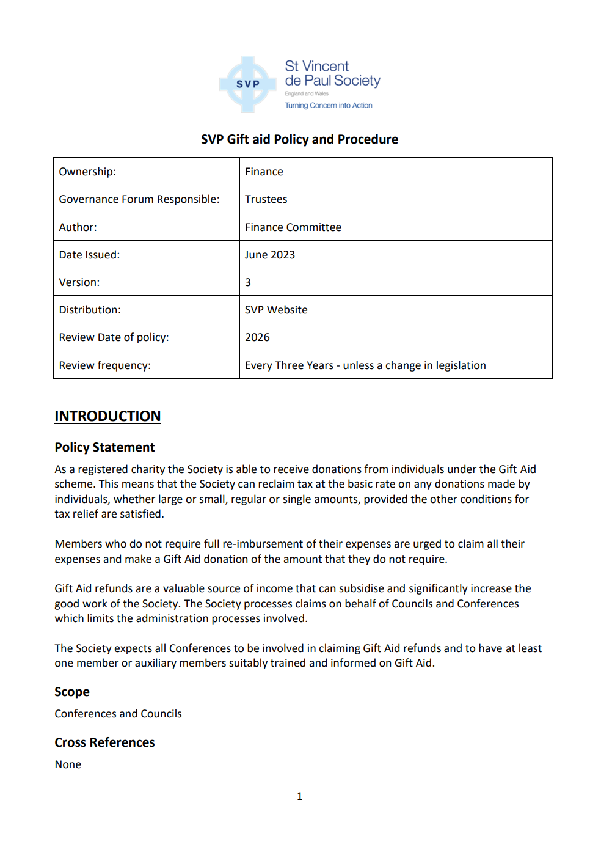
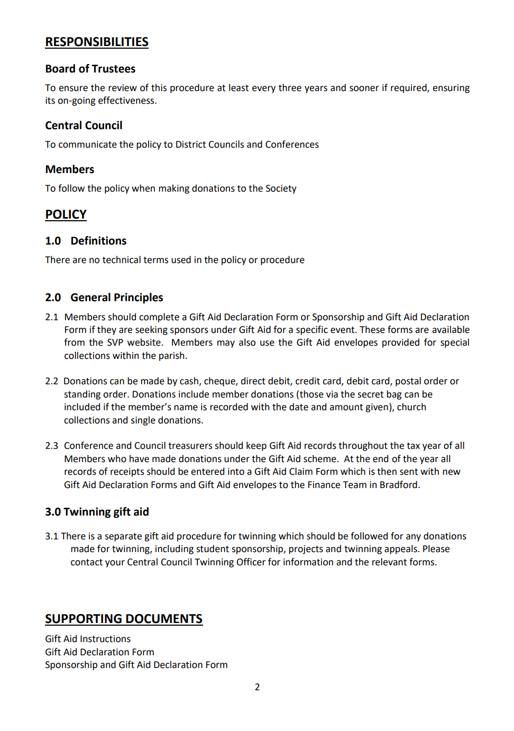

Finance Policy Banking Procedur
